BEL-AD400C
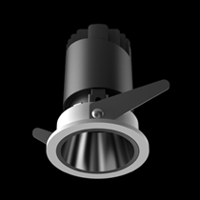
LIGHT&ESSENCE
LIGHTING SPECIFICATION
PRODUCT: | LED ADJUSTBAL SPOT LIGHT
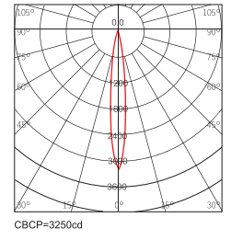
LOCATION: | INTERIOR
MODEL NO: | BEL-AD400C
LAMP TYPE: | LED 4W, 2700K/3000K/3500K/4000K
EA: | REMOTE LED DRIVER
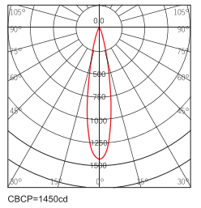
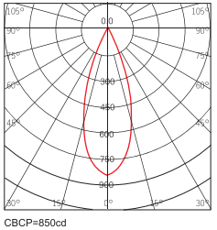
SIZE: | W60*H70 mm
FINISH: | SILVER ANODISED/POWDER COATING
BEAM ANGLE: | 15°/24°/38°
CRI: | 90
INPUT VOLTAGE: | AC 220-240V
IP RATING: | IP44
ORIGIN: | CHINA
REMARK:

BEL-AD700C
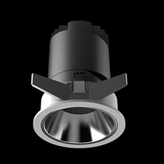
LIGHT&ESSENCE
LIGHTING SPECIFICATION
PRODUCT: | LED ADJUSTBAL SPOT LIGHT
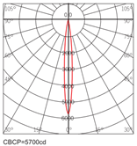
LOCATION: | INTERIOR
MODEL NO: | BEL-AD700C
LAMP TYPE: | LED 11W, 2700K/3000K/3500K/4000K
EA: | REMOTE LED DRIVER
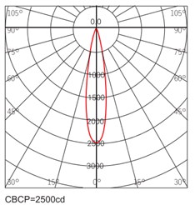
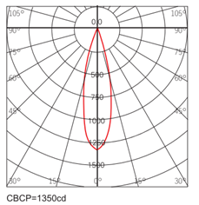
SIZE: | W86*H100 mm
FINISH: | SILVER ANODISED/POWDER COATING
BEAM ANGLE: | 15°/24°/36°
CRI: | 90
INPUT VOLTAGE: | AC 220-240V
IP RATING: | IP44
ORIGIN: | CHINA
REMARK:

BEL-AD900C
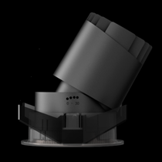
LIGHT&ESSENCE
LIGHTING SPECIFICATION
PRODUCT: | LED ADJUSTBAL SPOT LIGHT
LOCATION: | INTERIOR
MODEL NO: | BEL-AD900C
LAMP TYPE: | LED 13W, 2700K/3000K/3500K/4000K
EA: | REMOTE LED DRIVER
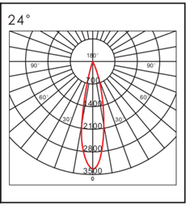
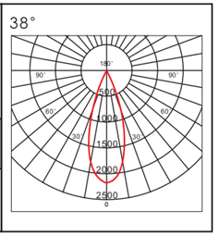
SIZE: | W105*H118 mm
FINISH: | SILVER ANODISED/POWDER COATING
BEAM ANGLE: | 15°/24°/38°
CRI: | 90
INPUT VOLTAGE: | AC 220-240V
IP RATING: | IP44
ORIGIN: | CHINA
REMARK:

BEL-AD1200C
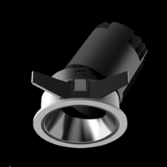
LIGHT&ESSENCE
LIGHTING SPECIFICATION
PRODUCT: | LED ADJUSTBAL SPOT LIGHT
LOCATION: | INTERIOR
MODEL NO: | BEL-AD1200C
LAMP TYPE: | LED 18W, 2700K/3000K/3500K/4000K
EA: | REMOTE LED DRIVER
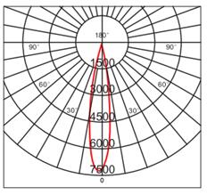
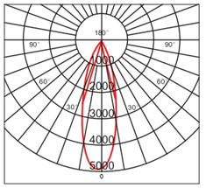
SIZE: | W133*H140 mm
FINISH: | SILVER ANODISED/POWDER COATING
BEAM ANGLE: | 15°/24°/38°
CRI: | 90
INPUT VOLTAGE: | AC 220-240V
IP RATING: | IP44
ORIGIN: | CHINA
REMARK:

